Week 8
Project Title: CardioCare Quest |  |  |  |  | Report for | Week 8 (Mar 2 - Mar 6)
 | Team Members:
 | 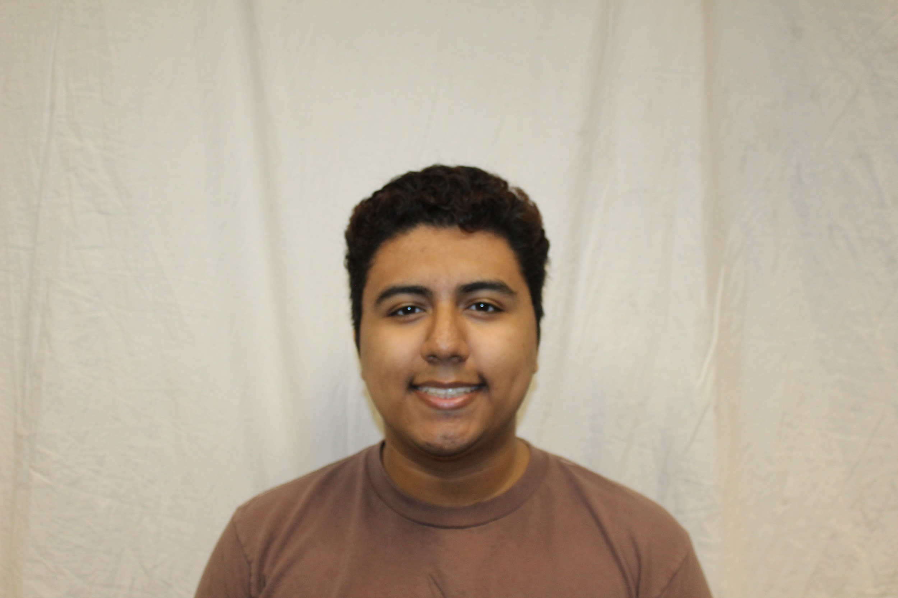 |  | 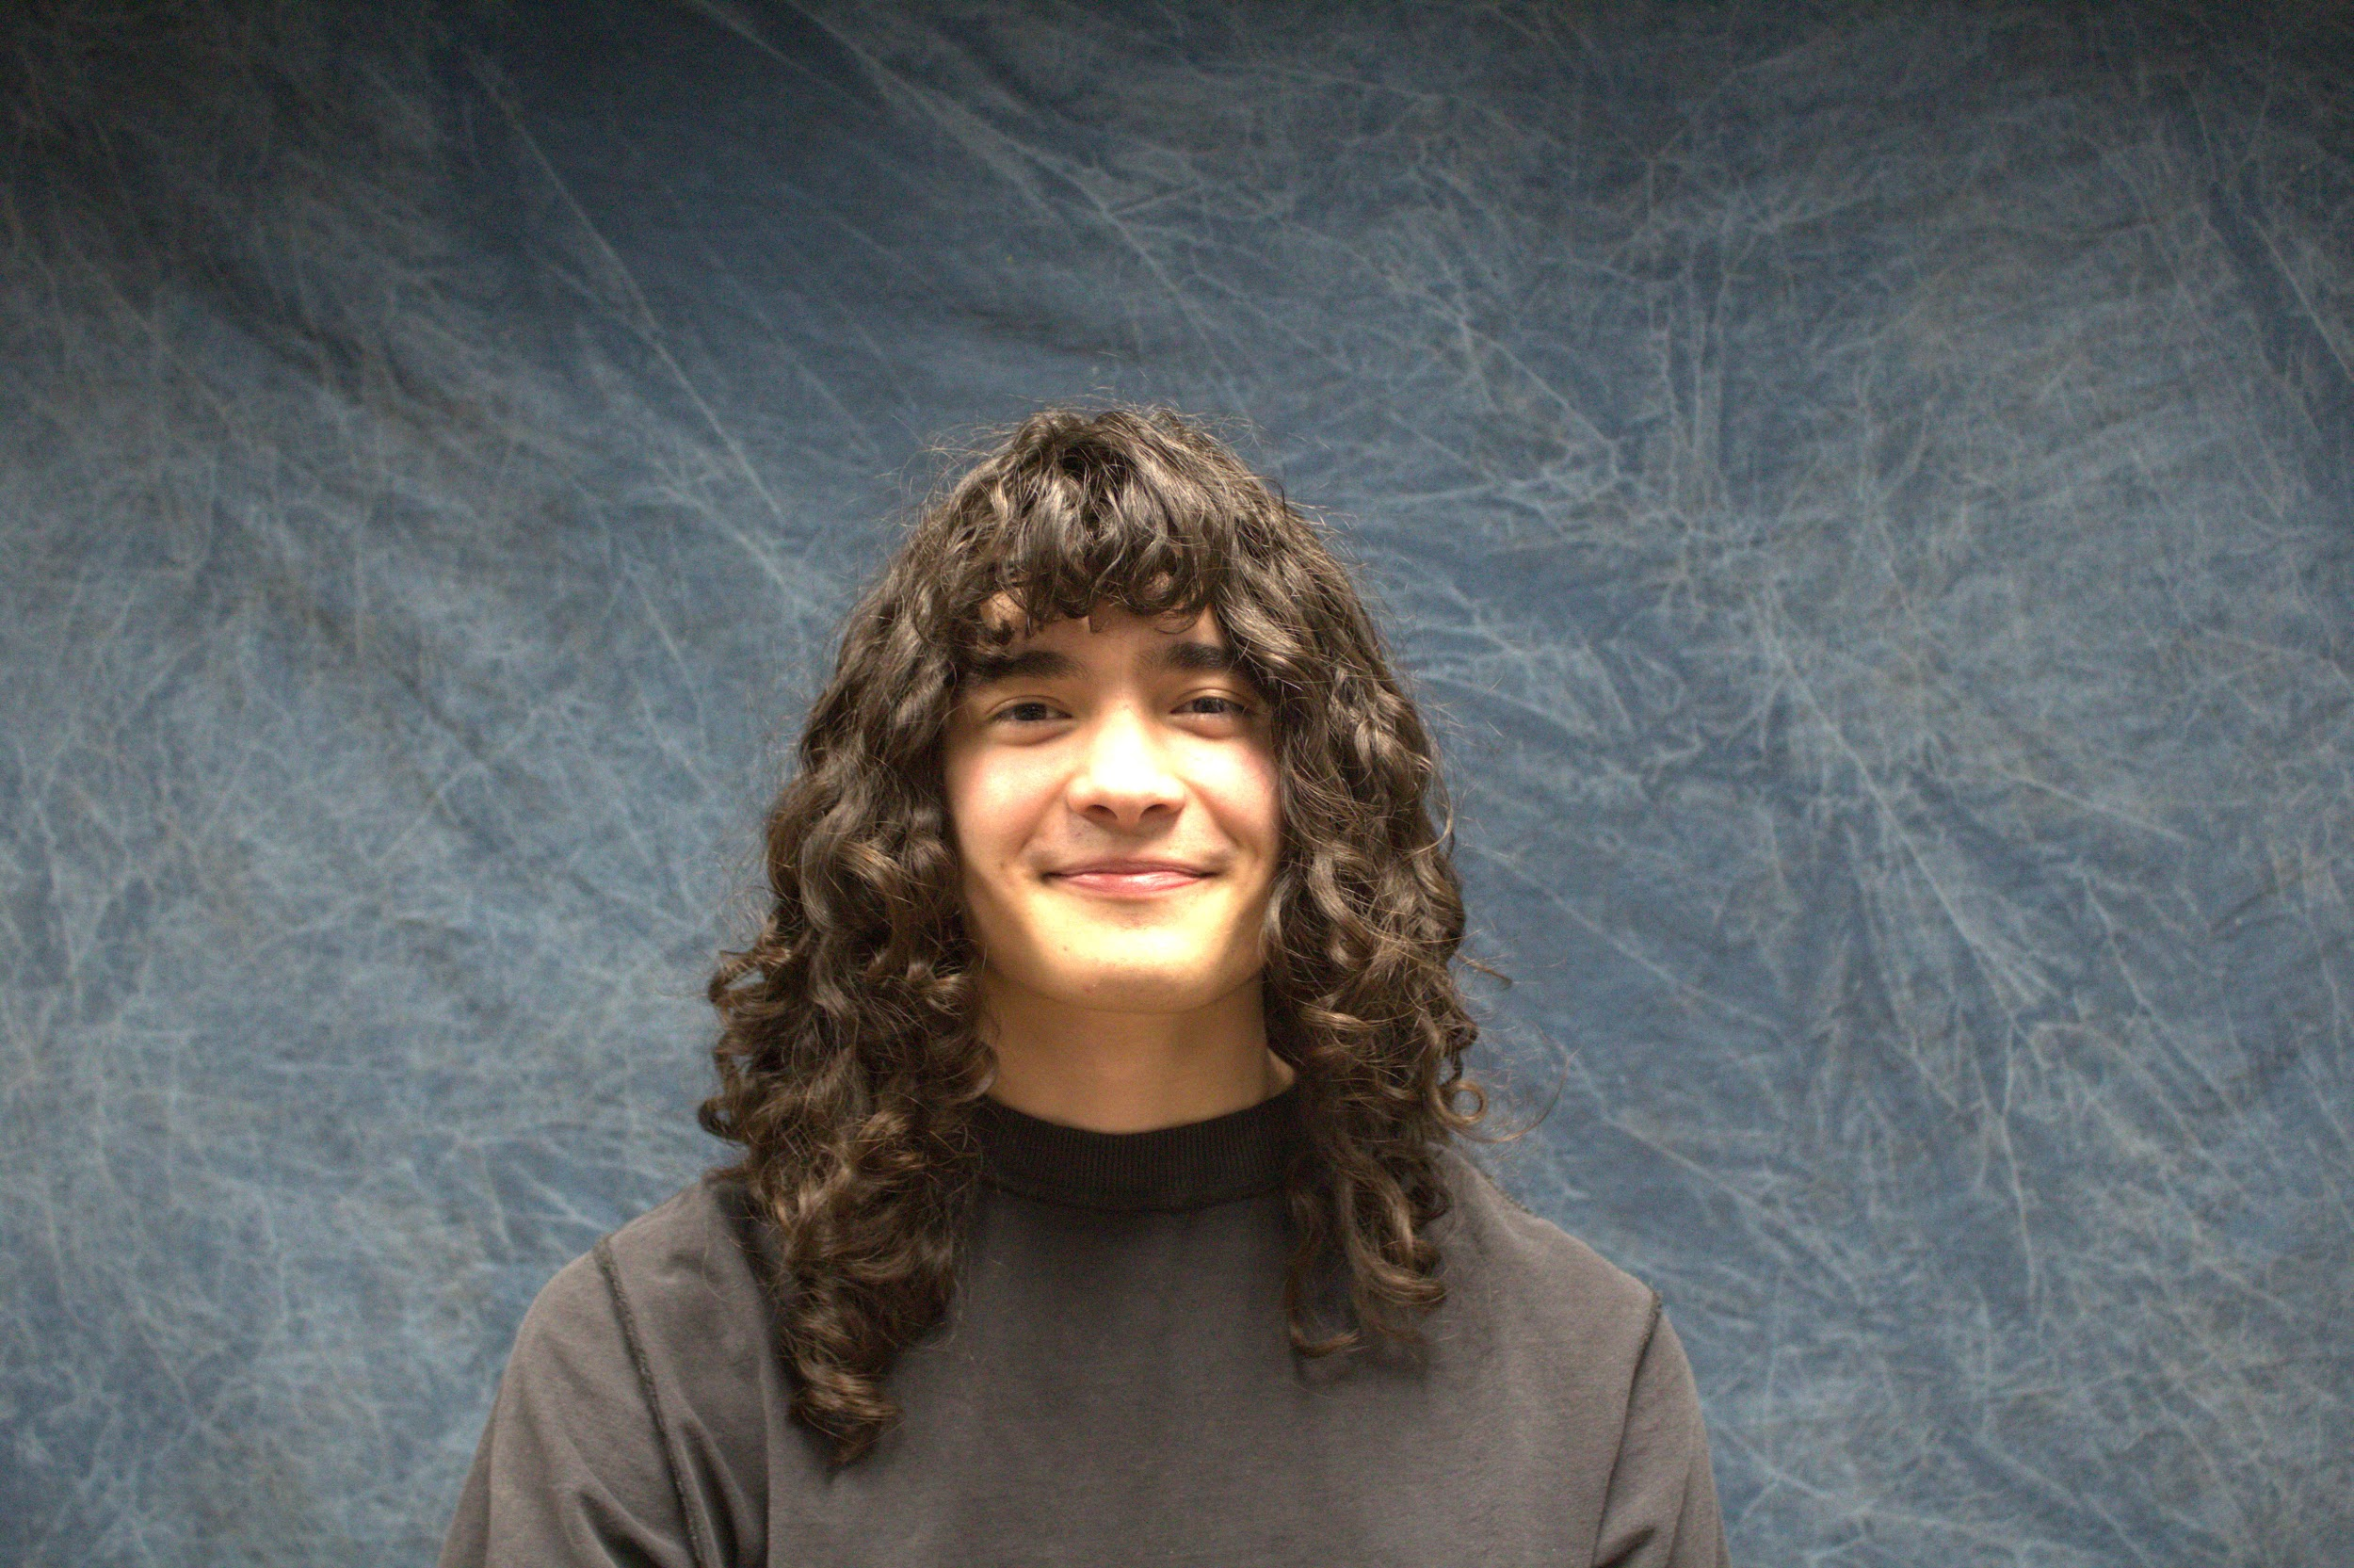 | 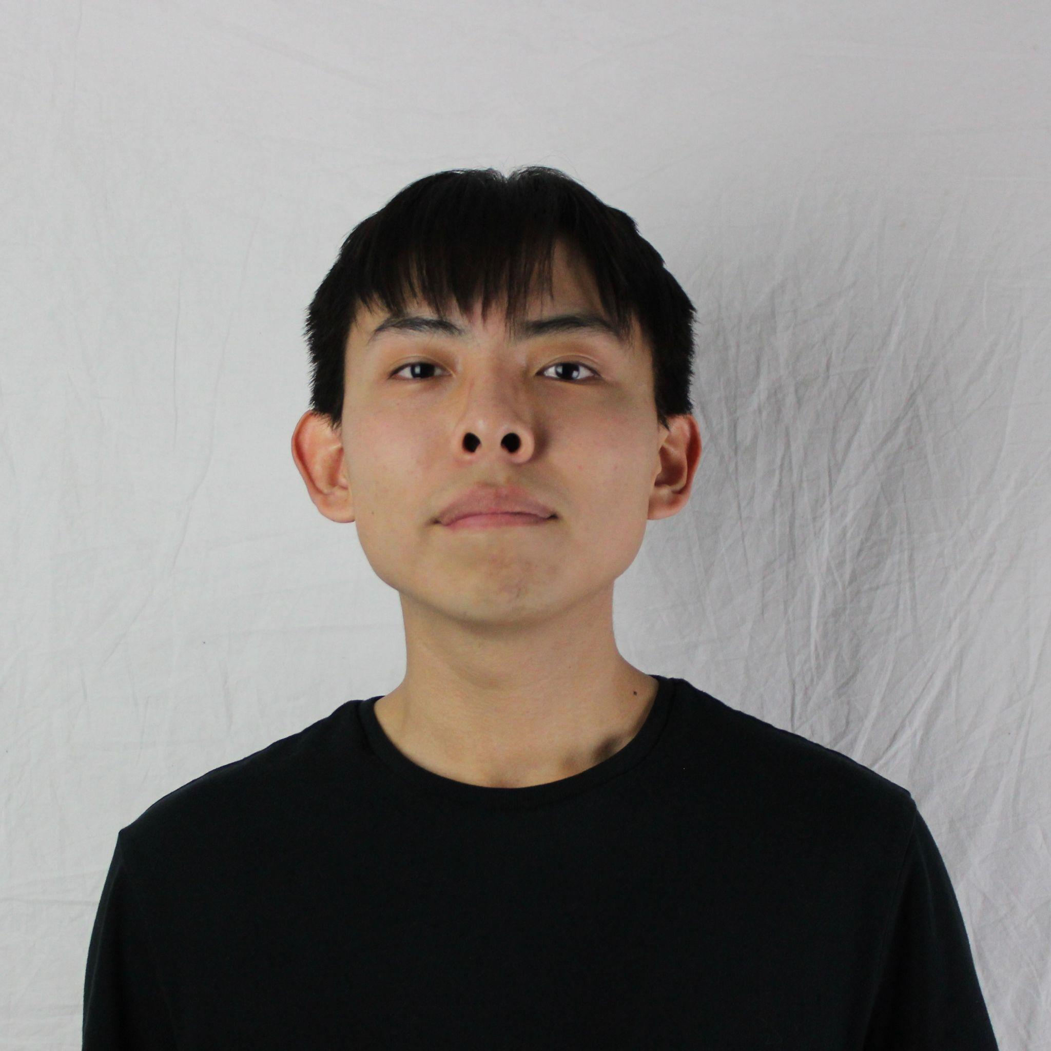
 | Jesse Ceja | Anna Cheatham | Tyler Jeffrey | Rique Trujillo Yazzie
 |  |  |  |  |  |  |  |  |  |  |  | XXX
Task ID | Status | Description |  |  | Assigned to | Start Date | Start Week | Expected End Date | Finished on Week | Measurable Outcome | Actual Outcome | XXX
N/A | <pick a status from the list> | <2-3 sentences to describe what is involved with the task and its goals in more detail> |  |  | <who’s responsible; if multiple persons, to what percentage> | <date task created> | <pick a week from the list> | <date task is due> | <pick a week from the list> | <Concise statement of exactly what deliverable is expected with notes on expectations of quality and/or completion> | <Concise statement of exactly what was delivered and at what level of quality>
1 | Done | Meeting With Pavan Gorintla, Team Lead of CardioCare Quest |  |  | Tyler Jeffrey, Jesse Ceja, Anna Cheatham, Rique Yazzie, Group meeting: 25% each | 2/23/2026 | Week 7 (Feb 23 - Feb 27) | 3/2/2026 | Week 8 (Mar 2 - Mar 6) | Attend the meeting with Pavan Gorintla, learn about our part of the Cardio Care Quest development as he is the team lead of the project. Learn about what he has developed. | Meeting with team lead Pavan has been completed. Currently in the process of gaining access to the database and Unity platform codebase. Talked about requirements as well. | XXX
2 | Done | Intro presentation. This is a 3-5 minute presentation to introduce our project. |  |  | Anna Cheatham - 25%, Jesse Ceja - 25%, Tyler Jeffrey - 25%, Rique Yazzie - 25% | 2/18/2026 | Week 6 (Feb 16 - Feb 20) | 2/26/2026 | Week 7 (Feb 23 - Feb 27) | Create a 5 minute summary presentation of our project. This will detail our client, project details, workflow, solutions, and plans for development. | We have created a presentation that outlines all key aspects of our project alongside our development process. | XXX
3 | Done | Fully initialized team website. Outlines much of the content of our project. |  |  | Rique Yazzie- 50%, Jesse Ceja - 50% | 2/18/2026 | Week 6 (Feb 16 - Feb 20) | 2/23/2026 | Week 7 (Feb 23 - Feb 27) | Fully flesh out the items described in the intialization process. This will involve fixing all formatting and all sections of the website we outlined previously. | The website has been re-arranged and properlly filled out with information regarding our project and other details. | XXX
4 | In progress | Meeting with client, Jared Duval. Discussing project requirements & merger with NetGauge. |  |  | Tyler Jeffrey, Jesse Ceja, Anna Cheatham, Rique Yazzie, Group meeting: 25% each | 3/3/2026 | Week 8 (Mar 2 - Mar 6) | 3/18/2026 |  | Getting an updated list of project requirements and discussing the changes as a result of the project merger. |  | XXX
5 | In progress | Meeting with NetGauge team lead, Shelby Hagemann. Discussing merger with the project. |  |  | Tyler Jeffrey, Jesse Ceja, Anna Cheatham, Rique Yazzie, Group meeting: 25% each | 3/3/2026 | Week 8 (Mar 2 - Mar 6) | 3/6/2026 |  | Understanding how CardioCare Quest will integrate with the workflow of NetGauge. Understanding project requirements further. |  | XXX
6 | In progress | Meeting with CardioCare Quest team lead, Pavan Gorintla. Discussing merger and project changes. |  |  | Tyler Jeffrey, Jesse Ceja, Anna Cheatham, Rique Yazzie, Group meeting: 25% each | 3/3/2026 | Week 8 (Mar 2 - Mar 6) | 3/18/2026 |  | Understanding how CardioCare Quest will integrate with the workflow of NetGauge. Understanding project requirements further. |  | XXX
7 | Next up | Technology Feasibility Document. This document will help us to refine the project's technological feasibility. |  |  | Tyler Jeffrey, Jesse Ceja, Anna Cheatham, Rique Yazzie. Members will be assigned portions of the document (~25% each). | 3/5/2026 | Week 8 (Mar 2 - Mar 6) |  |  | Produce a document that identifies key architectural challenges and selects a solutions for each. validated by an analysis and steps for technological integration. |  | XXX
8 |  |  |  |  |  |  |  |  |  | Attend the meeting with Pavan Gorintla, learn about our part of the Cardio Care Quest development as he is the team lead of the project. Learn about what he has developed. |  | XXX
9 |  |  |  |  |  |  |  |  |  |  |  | XXX
10 |  |  |  |  |  |  |  |  |  |  |  | XXX
11 |  |  |  |  |  |  |  |  |  |  |  | XXX
12 |  |  |  |  |  |  |  |  |  |  |  | XXX
13 |  |  |  |  |  |  |  |  |  |  |  | XXX
14 |  |  |  |  |  |  |  |  |  |  |  | XXX
15 |  |  |  |  |  |  |  |  |  |  |  | XXX
16 |  |  |  |  |  |  |  |  |  |  |  | XXX
17 |  |  |  |  |  |  |  |  |  |  |  | XXX
18 |  |  |  |  |  |  |  |  |  |  |  | XXX
19 |  |  |  |  |  |  |  |  |  |  |  | XXX
20 |  |  |  |  |  |  |  |  |  |  |  | XXX
21 |  |  |  |  |  |  |  |  |  |  |  | XXX
22 |  |  |  |  |  |  |  |  |  |  |  | XXX
23 |  |  |  |  |  |  |  |  |  |  |  | XXX
24 |  |  |  |  |  |  |  |  |  |  |  | XXX
25 |  |  |  |  |  |  |  |  |  |  |  | XXX
26 |  |  |  |  |  |  |  |  |  |  |  | XXX
27 |  |  |  |  |  |  |  |  |  |  |  | XXX
28 |  |  |  |  |  |  |  |  |  |  |  | XXX
29 |  |  |  |  |  |  |  |  |  |  |  | XXX
30 |  |  |  |  |  |  |  |  |  |  |  | XXX
31 |  |  |  |  |  |  |  |  |  |  |  | XXX
32 |  |  |  |  |  |  |  |  |  |  |  | XXX
33 |  |  |  |  |  |  |  |  |  |  |  | XXX
34 |  |  |  |  |  |  |  |  |  |  |  | XXX
35 |  |  |  |  |  |  |  |  |  |  |  | XXX
36 |  |  |  |  |  |  |  |  |  |  |  | XXX
37 |  |  |  |  |  |  |  |  |  |  |  | XXX
38 |  |  |  |  |  |  |  |  |  |  |  | XXX
39 |  |  |  |  |  |  |  |  |  |  |  | XXX
40 |  |  |  |  |  |  |  |  |  |  |  | XXX
41 |  |  |  |  |  |  |  |  |  |  |  | XXX
42 |  |  |  |  |  |  |  |  |  |  |  | XXX
43 |  |  |  |  |  |  |  |  |  |  |  | XXX
44 |  |  |  |  |  |  |  |  |  |  |  | XXX
45 |  |  |  |  |  |  |  |  |  |  |  | XXX
46 |  |  |  |  |  |  |  |  |  |  |  | XXX
47 |  |  |  |  |  |  |  |  |  |  |  | XXX
48 |  |  |  |  |  |  |  |  |  |  |  | XXX
49 |  |  |  |  |  |  |  |  |  |  |  | XXX
50 |  |  |  |  |  |  |  |  |  |  |  | XXX
51 |  |  |  |  |  |  |  |  |  |  |  | XXX
52 |  |  |  |  |  |  |  |  |  |  |  | XXX
53 |  |  |  |  |  |  |  |  |  |  |  | XXX
54 |  |  |  |  |  |  |  |  |  |  |  | XXX
55 |  |  |  |  |  |  |  |  |  |  |  | XXX
56 |  |  |  |  |  |  |  |  |  |  |  | XXX
57 |  |  |  |  |  |  |  |  |  |  |  | XXX
58 |  |  |  |  |  |  |  |  |  |  |  | XXX
59 |  |  |  |  |  |  |  |  |  |  |  | XXX
60 |  |  |  |  |  |  |  |  |  |  |  | XXX
61 |  |  |  |  |  |  |  |  |  |  |  | XXX
62 |  |  |  |  |  |  |  |  |  |  |  | XXX
63 |  |  |  |  |  |  |  |  |  |  |  | XXX
64 |  |  |  |  |  |  |  |  |  |  |  | XXX
65 |  |  |  |  |  |  |  |  |  |  |  | XXX
66 |  |  |  |  |  |  |  |  |  |  |  | XXX
67 |  |  |  |  |  |  |  |  |  |  |  | XXX
68 |  |  |  |  |  |  |  |  |  |  |  | XXX
69 |  |  |  |  |  |  |  |  |  |  |  | XXX
70 |  |  |  |  |  |  |  |  |  |  |  | XXX
71 |  |  |  |  |  |  |  |  |  |  |  | XXX
72 |  |  |  |  |  |  |  |  |  |  |  | XXX
73 |  |  |  |  |  |  |  |  |  |  |  | XXX
74 |  |  |  |  |  |  |  |  |  |  |  | XXX
75 |  |  |  |  |  |  |  |  |  |  |  | XXX
76 |  |  |  |  |  |  |  |  |  |  |  | XXX
77 |  |  |  |  |  |  |  |  |  |  |  | XXX
78 |  |  |  |  |  |  |  |  |  |  |  | XXX

